Dashboard
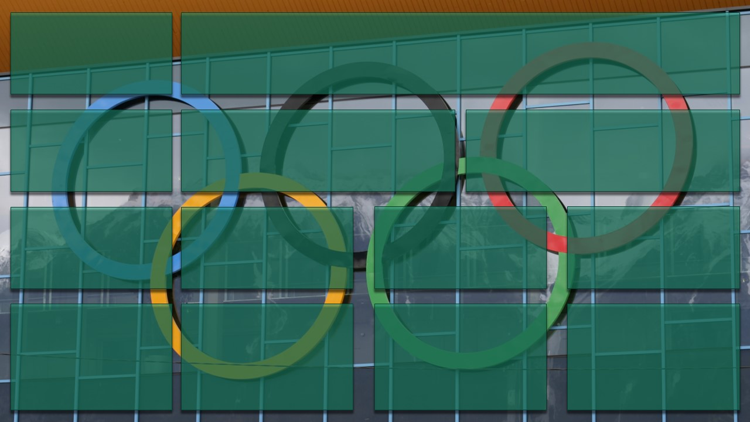

Country who won the most Medals
Paris Olympics
Athlete who won the most Medals
Amount of Athletes Competing
Amount of Countries Competing

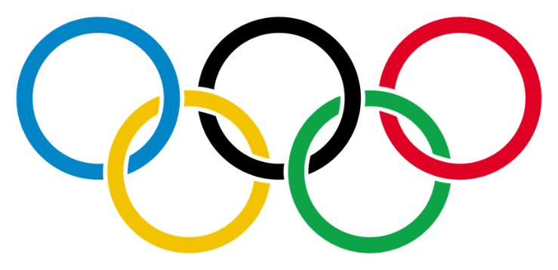

USA
ZHANG Yufei
6089
206

2024

Top 2 Performing Countries Medal Trends
USA Daily Medal Trend
 | Total
2024-07-27 | 5
2024-07-28 | 7
2024-07-29 | 8
2024-07-30 | 6
2024-07-31 | 4
2024-08-01 | 7
2024-08-02 | 6
2024-08-03 | 18
2024-08-04 | 10
2024-08-05 | 7
2024-08-06 | 7
2024-08-07 | 8
2024-08-08 | 9
2024-08-09 | 8
2024-08-10 | 11
2024-08-11 | 5
China Daily Medal Trend
 | Total
2024-07-27 | 5
2024-07-28 | 3
2024-07-29 | 6
2024-07-30 | 2
2024-07-31 | 5
2024-08-01 | 5
2024-08-02 | 7
2024-08-03 | 6
2024-08-04 | 10
2024-08-05 | 8
2024-08-06 | 6
2024-08-07 | 6
2024-08-08 | 7
2024-08-09 | 9
2024-08-10 | 5
2024-08-11 | 1

USA had a very dominant performance this olympics. Earning a large amount of medals almost daily.
China, also having a strong performance this olympics, won most of their medals towards the later part of their olympic run.

Host Country Statistics
France Sport/Dicipline Medal Chart
 | Total
3x3 Basketball | 1
Archery | 2
Athletics | 1
Basketball | 2
Boxing | 3
Breaking | 1
Canoe Slalom | 3
Cycling BMX Freestyle | 1
Cycling BMX Racing | 3
Cycling Mountain Bike | 2
Cycling Road | 2
Cycling Track | 1
Equestrian | 1
Fencing | 7
Football | 1
Handball | 1
Judo | 10
Modern Pentathlon | 1
Rugby Sevens | 2
Sailing | 2
Shooting | 1
Surfing | 2
Swimming | 7
Table Tennis | 2
Taekwondo | 2
Triathlon | 2
Volleyball | 1
France Male and Female Medalist Population
 | Total
Female | 32.80%
Male | 67.20%
France Daily Medal Trend
 | Total
2024-07-27 | 5
2024-07-28 | 4
2024-07-29 | 8
2024-07-30 | 2
2024-07-31 | 8
2024-08-01 | 1
2024-08-02 | 8
2024-08-03 | 5
2024-08-04 | 3
2024-08-05 | 4
2024-08-07 | 3
2024-08-08 | 3
2024-08-09 | 2
2024-08-10 | 6
2024-08-11 | 2

France was the 5th Best performing country at the Olympics this year, bringing in 64 total medals.
A large portion of their medals were earned in Judo, Fencing, and Swimming.
France had mostly a Male dominant performance this year as most of their medallists were Male.

Top 5 Countries Medal Performances
Gold Medals for Top 5 Countries
 | Total
USA | 40
CHN | 40
JPN | 20
AUS | 18
FRA | 16
Silver Medals for Top 5 Countries
 | Total
USA | 44
CHN | 27
FRA | 26
AUS | 19
JPN | 12
Bronze Medals for Top 5 Countries
 | Total
USA | 42
CHN | 24
FRA | 22
AUS | 16
JPN | 13

The top performing countries of this Olympics were France, Austrailia, Japan, China, and The United States.
The United States and China both won the most Gold Medals this year with 40 each.
The United States would also dominate the Silver and Bronze Medal podiums this year, earning the most in each category.

Medal Trends
USA Daily Medal Trend
country_code | USA
USA | Daily Medal Trend
Row Labels | Sum of Medal Per Team/Player
2024-07-27 | 5
2024-07-28 | 7
2024-07-29 | 8
2024-07-30 | 6
2024-07-31 | 4
2024-08-01 | 7
2024-08-02 | 6
2024-08-03 | 18
2024-08-04 | 10
2024-08-05 | 7
2024-08-06 | 7
2024-08-07 | 8
2024-08-08 | 9
2024-08-09 | 8
2024-08-10 | 11
2024-08-11 | 5
Grand Total | 126

China Daily Medal Trend
country_code | CHN
China | Daily Medal Trend
Row Labels | Sum of Medal Per Team/Player
2024-07-27 | 5
2024-07-28 | 3
2024-07-29 | 6
2024-07-30 | 2
2024-07-31 | 5
2024-08-01 | 5
2024-08-02 | 7
2024-08-03 | 6
2024-08-04 | 10
2024-08-05 | 8
2024-08-06 | 6
2024-08-07 | 6
2024-08-08 | 7
2024-08-09 | 9
2024-08-10 | 5
2024-08-11 | 1
Grand Total | 91

France Daily Medal Trend
country_code | FRA
France | Daily Medal Trend
Row Labels | Sum of Medal Per Team/Player
2024-07-27 | 5
2024-07-28 | 4
2024-07-29 | 8
2024-07-30 | 2
2024-07-31 | 8
2024-08-01 | 1
2024-08-02 | 8
2024-08-03 | 5
2024-08-04 | 3
2024-08-05 | 4
2024-08-07 | 3
2024-08-08 | 3
2024-08-09 | 2
2024-08-10 | 6
2024-08-11 | 2
Grand Total | 64

country_code | FRA
France | Top Diciplines
Row Labels | Sum of Medal Per Team/Player
3x3 Basketball | 1
Archery | 2
France Sport/Dicipline Medal Chart
Athletics | 1
Basketball | 2
Boxing | 3
Breaking | 1
Canoe Slalom | 3
Cycling BMX Freestyle | 1
Cycling BMX Racing | 3
Cycling Mountain Bike | 2
Cycling Road | 2
Cycling Track | 1
Equestrian | 1
Fencing | 7
Football | 1
Handball | 1
Judo | 10
Modern Pentathlon | 1
Rugby Sevens | 2
Sailing | 2
Shooting | 1
Surfing | 2
Swimming | 7
Table Tennis | 2
Taekwondo | 2
Triathlon | 2
Volleyball | 1
Grand Total | 64
France Male and Female Medalist Population

country_code | FRA
France | Male and Female Medalists
Row Labels | Count of gender
Female | 32.80%
Male | 67.20%
Grand Total | 100.00%

Medal Totals
Gold Medals for Top 5 Countries
Row Labels | Gold Medals
USA | 40
CHN | 40
JPN | 20
AUS | 18
FRA | 16
Grand Total | 134

Silver Medals for Top 5 Countries

Row Labels | Sum of Silver Medal
USA | 44
CHN | 27
FRA | 26
AUS | 19
JPN | 12
Grand Total | 128

Bronze Medals for Top 5 Countries

Row Labels | Sum of Bronze Medal
USA | 42
CHN | 24
FRA | 22
AUS | 16
JPN | 13
Grand Total | 117

